11C_EKAP(compound)
PubChem Data

Structures
Property name | Property Value
PubChem CID
Molecular formula
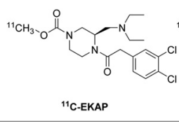

Chemical and Physical Properties
Molecular weight
XlogP3
Hydrogen Bond Donar Count
Hydrogen Bond Acceptor Count
Rotatable Bond Count
Exact Mass
Monoisotopic Mass
Topological Polar Surface Area
Heavy Atom Count
Formal Charge
Complexity
Isotope Atom Stereocentor
Defined Atom Stereocenter Count
Undefined Atom Stereocenter Count
Defined Bond Stereocenter Count
Undefined Bond Stereocenter Count
Covalently-Bonded Unit Count
Compound Is Canonicalized

BioAssay Results
Activity Value, nM | Activity Type | BioAssay Name | BioAssay AID | Substance SID | DOI
0.28 | Ki | monkey,n=3 |  |  | 10.2967/jnumed.118.220517

